Sheet1
24Q4 (HOLIDAY)
 | 店名: |  |  | SIZE SCALES | A | 5 | 5.5 | 6 | 6.5 | 7 | 7.5 | 8 | 8.5 | 9 | 9.5 | 10 | 10.5 | 11
 |  |  |  |  | B | S | M | L | XL | XXL
 | 担当者名： |  |  |  | C | O/S
 |  |  |  |  | D | 11 | 12 | 13 | 1 | 2 | 3 | 4 | 5 | 6
オーダー締め切り:4月18日（木） デリバリー2024年11月～ |  |  |  |  |  |  |  |  |  |  |  |  |  |  |  |  |  |  | 0 | Total Amount | ¥0
 | モデル名 | 品番 | Color | Seasonal | Size |  |  |  |  |  |  |  |  |  |  |  |  |  | Units | MSRP | Total
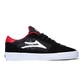 | CAMBRIDGE | OSLK24HO1CA | BLACK/RED SUEDE |  | A |  |  |  |  |  |  |  |  |  |  |  |  |  |  | ¥14,000 | ¥0
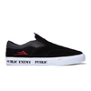 | OWEN VLK | OSLK24HO2OW | BLACK/RED SUEDE |  | A |  |  |  |  |  |  |  |  |  |  |  |  |  |  | ¥14,000 | ¥0
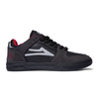 | TELFORD LOW | OSLK24HO3TE | BLACK/CHARCOAL SUEDE |  | A |  |  |  |  |  |  |  |  |  |  |  |  |  |  | ¥16,000 | ¥0
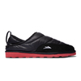 | OWEN SLIPPER | OSLK24HO4OWS | BLACK NYLON |  | B |  |  |  |  |  |  |  |  |  |  |  |  |  |  | ¥13,000 | ¥0
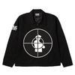 | PUBLIC ENEMY SNIPER LOGO JACKET | OSLK24HO5 | BLACK |  | B |  |  |  |  |  |  |  |  |  |  |  |  |  |  | ¥21,000 | ¥0
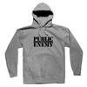 | PUBLIC ENEMY CLASSIC PO HOOD | OSLK24HO6 | SMOKE |  | B |  |  |  |  |  |  |  |  |  |  |  |  |  |  | ¥16,000 | ¥0
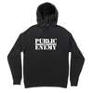 | PUBLIC ENEMY CLASSIC PO HOOD | OSLK24HO7 | BLACK |  | B |  |  |  |  |  |  |  |  |  |  |  |  |  |  | ¥16,000 | ¥0
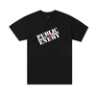 | PUBLIC ENEMY CLASSIC SS TEE | OSLK24HO8 | BLACK |  | B |  |  |  |  |  |  |  |  |  |  |  |  |  |  | ¥5,600 | ¥0
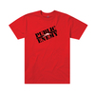 | PUBLIC ENEMY CLASSIC SS TEE | OSLK24HO9 | RED |  | B |  |  |  |  |  |  |  |  |  |  |  |  |  |  | ¥5,600 | ¥0
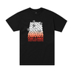 | PUBLIC ENEMY FIGHT THE POWER SS TEE | OSLK24HO10 | BLACK |  | B |  |  |  |  |  |  |  |  |  |  |  |  |  |  | ¥5,600 | ¥0
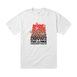 | PUBLIC ENEMY FIGHT THE POWER SS TEE | OSLK24HO11 | WHITE |  | B |  |  |  |  |  |  |  |  |  |  |  |  |  |  | ¥5,600 | ¥0
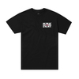 | PUBLIC ENEMY SNIPER LOGO SS TEE | OSLK24HO12 | BLACK |  | B |  |  |  |  |  |  |  |  |  |  |  |  |  |  | ¥5,600 | ¥0
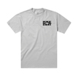 | PUBLIC ENEMY SNIPER LOGO SS TEE | OSLK24HO13 | SMOKE |  | B |  |  |  |  |  |  |  |  |  |  |  |  |  |  | ¥5,600 | ¥0
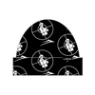 | PUBLIC ENEMY SNIPER LOGO BEANIE | OSLK24HO14 | BLACK |  | C |  |  |  |  |  |  |  |  |  |  |  |  |  |  | ¥5,000 | ¥0
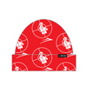 | PUBLIC ENEMY SNIPER LOGO BEANIE | OSLK24HO15 | RED |  | C |  |  |  |  |  |  |  |  |  |  |  |  |  |  | ¥5,000 | ¥0
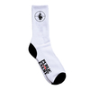 | PUBLIC ENEMY SNIPER LOGO SOCK | OSLK24HO16 | WHITE/BLACK |  | C |  |  |  |  |  |  |  |  |  |  |  |  |  |  | ¥2,800 | ¥0
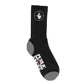 | PUBLIC ENEMY SNIPER LOGO SOCK | OSLK24HO17 | BLACK/WHITE |  | C |  |  |  |  |  |  |  |  |  |  |  |  |  |  | ¥2,600 | ¥0
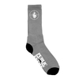 | PUBLIC ENEMY SNIPER LOGO SOCK | OSLK24HO18 | GREY/BLACK |  | C |  |  |  |  |  |  |  |  |  |  |  |  |  |  | ¥2,600 | ¥0
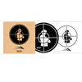 | PUBLIC ENEMY SLIPMAT | OSLK24HO19 | NATURAL |  | C |  |  |  |  |  |  |  |  |  |  |  |  |  |  | ¥5,000 | ¥0
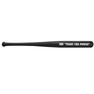 | PUBLIC ENEMY MINI BAT | OSLK24HO20 | BLACK |  | C |  |  |  |  |  |  |  |  |  |  |  |  |  |  | ¥5,000 | ¥0
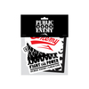 | PUBLIC ENEMY STICKER PACK | OSLK24HO21 | MULTI |  | C |  |  |  |  |  |  |  |  |  |  |  |  |  |  | ¥1,800 | ¥0
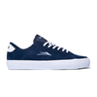 | NEWPORT | OSLK24HO22NP | NAVY SUEDE |  | A |  |  |  |  |  |  |  |  |  |  |  |  |  |  | ¥12,000 | ¥0
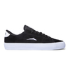 | NEWPORT | 24HO-OSLK24SP56NE | BLACK SUEDE |  | A |  |  |  |  |  |  |  |  |  |  |  |  |  |  | ¥12,000 | ¥0
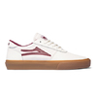 | MANCHESTER | OSLK24HO23MA | CREAM/GUM LEATHER |  | A |  |  |  |  |  |  |  |  |  |  |  |  |  |  | ¥13,000 | ¥0
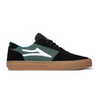 | MANCHESTER | OSLK24HO24MA | BLACK/PINE SUEDE |  | A |  |  |  |  |  |  |  |  |  |  |  |  |  |  | ¥13,000 | ¥0
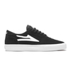 | MANCHESTER | 24HO-OSLK20128M | BLACK SUEDE |  | A |  |  |  |  |  |  |  |  |  |  |  |  |  |  | ¥12,500 | ¥0
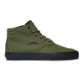 | RILEY 3 HIGH | OSLK24HO25RI | OLIVE/BLACK SUEDE |  | A |  |  |  |  |  |  |  |  |  |  |  |  |  |  | ¥14,000 | ¥0
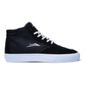 | RILEY 3 HIGH | 24HO-OSLK24SP15RI | BLACK SUEDE |  | A |  |  |  |  |  |  |  |  |  |  |  |  |  |  | ¥14,000 | ¥0
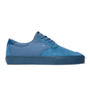 | RILEY 3 | OSLK24HO26RI | SLATE SUEDE |  | A |  |  |  |  |  |  |  |  |  |  |  |  |  |  | ¥13,000 | ¥0
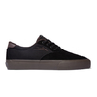 | RILEY 3 | OSLK24HO27RI | BLACK/GUM SUEDE |  | A |  |  |  |  |  |  |  |  |  |  |  |  |  |  | ¥13,000 | ¥0
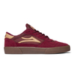 | CAMBRIDGE | OSLK24HO28CA | BURGUNDY SUEDE |  | A |  |  |  |  |  |  |  |  |  |  |  |  |  |  | ¥13,000 | ¥0
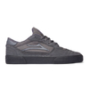 | CAMBRIDGE | OSLK24HO29CA | CHARCOAL SUEDE |  | A |  |  |  |  |  |  |  |  |  |  |  |  |  |  | ¥13,000 | ¥0
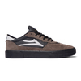 | CAMBRIDGE | OSLK24HO30CA | Chocolate Suede |  | A |  |  |  |  |  |  |  |  |  |  |  |  |  |  | ¥13,000 | ¥0
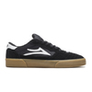 | CAMBRIDGE | 24HO-OSLK203110CA | BLACK/GUM SUEDE |  | A |  |  |  |  |  |  |  |  |  |  |  |  |  |  | ¥11,500 | ¥0
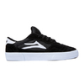 | CAMBRIDGE | 24HO-OSLKCLCBBKWS | BLACK/WHITE SUEDE |  | A |  |  |  |  |  |  |  |  |  |  |  |  |  |  | ¥11,500 | ¥0
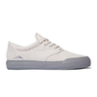 | WILKINS | OSLK24HO31WI | Grey Suede |  | A |  |  |  |  |  |  |  |  |  |  |  |  |  |  | ¥12,500 | ¥0
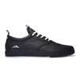 | WILKINS | OSLK24HO32WI | BLACK CANVAS |  | A |  |  |  |  |  |  |  |  |  |  |  |  |  |  | ¥12,500 | ¥0
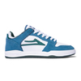 | TELFORD LOW | OSLK24HO33TE | SLATE/PINE SUEDE |  | A |  |  |  |  |  |  |  |  |  |  |  |  |  |  | ¥15,000 | ¥0
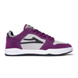 | TELFORD LOW | OSLK24HO34TE | FIG SUEDE |  | A |  |  |  |  |  |  |  |  |  |  |  |  |  |  | ¥15,000 | ¥0
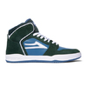 | TELFORD | OSLK24HO35TE | PINE/SLATE SUEDE |  | A |  |  |  |  |  |  |  |  |  |  |  |  |  |  | ¥15,000 | ¥0
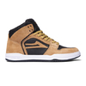 | TELFORD | OSLK24HO36TE | GOLD/PIG SUEDE |  | A |  |  |  |  |  |  |  |  |  |  |  |  |  |  | ¥15,000 | ¥0
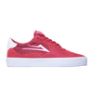 | ESSEX | OSLK24HO63ES | ROSE SUEDE |  | A |  |  |  |  |  |  |  |  |  |  |  |  |  |  | ¥13,500 | ¥0
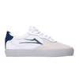 | ESSEX | OSLK24HO37ES | WHITE LEATHER |  | A |  |  |  |  |  |  |  |  |  |  |  |  |  |  | ¥13,500 | ¥0
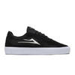 | ESSEX | 24HO-OSLK22SU3ES | BLACK SUEDE |  | A |  |  |  |  |  |  |  |  |  |  |  |  |  |  | ¥12,500 | ¥0
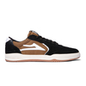 | ATLANTIC | OSLK24HO38AT | BLACK/WALNUT SUEDE |  | A |  |  |  |  |  |  |  |  |  |  |  |  |  |  | ¥15,000 | ¥0
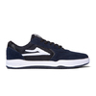 | ATLANTIC | OSLK24HO39AT | NAVY/BLACK SUEDE |  | A |  |  |  |  |  |  |  |  |  |  |  |  |  |  | ¥15,000 | ¥0
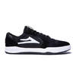 | ATLANTIC | 24HO-OSLK24FA47AT | BLACK SUEDE |  | A |  |  |  |  |  |  |  |  |  |  |  |  |  |  | ¥15,000 | ¥0
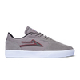 | CARDIFF | OSLK24HO40CA | Grey Suede |  | A |  |  |  |  |  |  |  |  |  |  |  |  |  |  | ¥11,500 | ¥0
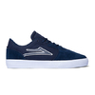 | CARDIFF | OSLK24HO41CA | NAVY SUEDE |  | A |  |  |  |  |  |  |  |  |  |  |  |  |  |  | ¥11,500 | ¥0
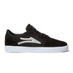 | CARDIFF | 24HO-OSLK23FA50CA | BLACK SUEDE |  | A |  |  |  |  |  |  |  |  |  |  |  |  |  |  | ¥11,500 | ¥0
 | TERRACE | OSLK24HO42TE | Olive Suede |  | A |  |  |  |  |  |  |  |  |  |  |  |  |  |  | ¥15,000 | ¥0
 | TERRACE | OSLK23HO3TR | BLACK SUEDE |  | A |  |  |  |  |  |  |  |  |  |  |  |  |  |  | ¥15,000 | ¥0
 | GRIFFIN | OSLK24HO43GR | WHITE/GUM LEATHER |  | A |  |  |  |  |  |  |  |  |  |  |  |  |  |  | ¥11,500 | ¥0
 | GRIFFIN | OSLK24HO44GR | BLACK/BLACK SUEDE |  | A |  |  |  |  |  |  |  |  |  |  |  |  |  |  | ¥11,500 | ¥0
 | GRIFFIN | 24HO-OSLKCLGRBKS | BLACK SUEDE |  | A |  |  |  |  |  |  |  |  |  |  |  |  |  |  | ¥10,500 | ¥0
 | CAMBRIDGE KIDS | OSLK24HO45CA | BURGUNDY SUEDE |  | D |  |  |  |  |  |  |  |  |  |  |  |  |  |  | ¥10,500 | ¥0
 | CAMBRIDGE KIDS | OSLK23HO19CA | BLACK/GUM SUEDE |  | D |  |  |  |  |  |  |  |  |  |  |  |  |  |  | ¥10,500 | ¥0
 | CAMBRIDGE KIDS | 24HO-OSLK21FA128K | BLACK/WHITE SUEDE |  | D |  |  |  |  |  |  |  |  |  |  |  |  |  |  | ¥10,500 | ¥0
 | GRIFFIN KIDS | OSLK24HO46GR | BLACK/BLACK SUEDE |  | D |  |  |  |  |  |  |  |  |  |  |  |  |  |  | ¥10,500 | ¥0
 | GRIFFIN KIDS | 24HO-OSLK24SP62GR | BLACK CANVAS |  | D |  |  |  |  |  |  |  |  |  |  |  |  |  |  | ¥9,000 | ¥0
 | COMMUNITY PO HOOD | OSLK24HO47 | BLACK |  | B |  |  |  |  |  |  |  |  |  |  |  |  |  |  | ¥12,500 | ¥0
 | BASIC CREWNECK | 24HO-OSLK24FA70 | STEEL BLUE |  | B |  |  |  |  |  |  |  |  |  |  |  |  |  |  | ¥11,000 | ¥0
 | BASIC CREWNECK | OSLK24HO49 | BLACK |  | B |  |  |  |  |  |  |  |  |  |  |  |  |  |  | ¥11,000 | ¥0
 | COMMUNITY SS TEE | OSLK24HO50 | BLACK |  | B |  |  |  |  |  |  |  |  |  |  |  |  |  |  | ¥5,400 | ¥0
 | COMMUNITY SS TEE | OSLK24HO51 | FOREST GREEN |  | B |  |  |  |  |  |  |  |  |  |  |  |  |  |  | ¥5,400 | ¥0
 | PRIMATE SS TEE | OSLK24HO52 | EGGPLANT |  | B |  |  |  |  |  |  |  |  |  |  |  |  |  |  | ¥5,400 | ¥0
 | PRIMATE SS TEE | OSLK24HO53 | BLACK |  | B |  |  |  |  |  |  |  |  |  |  |  |  |  |  | ¥5,400 | ¥0
 | BASIC SS TEE | OSLK24HO54 | DUSTY BROWN |  | B |  |  |  |  |  |  |  |  |  |  |  |  |  |  | ¥4,500 | ¥0
 | BASIC SS TEE | 24HO-OSLK24FA71 | BLACK |  | B |  |  |  |  |  |  |  |  |  |  |  |  |  |  | ¥4,500 | ¥0
 | BASIC SS TEE | 24HO-OSLK24FA72 | WHITE |  | B |  |  |  |  |  |  |  |  |  |  |  |  |  |  | ¥4,500 | ¥0
 | PRIMATE CREW SOCK | OSLK24HO57 | BLACK |  | C |  |  |  |  |  |  |  |  |  |  |  |  |  |  | ¥2,000 | ¥0
 | PRIMATE CREW SOCK | OSLK24HO58 | BANANA |  | C |  |  |  |  |  |  |  |  |  |  |  |  |  |  | ¥2,000 | ¥0
 | BASIC CREW SOCK | 24HO-OSLK24FA75 | WHITE |  | C |  |  |  |  |  |  |  |  |  |  |  |  |  | 0 | ¥2,000 | ¥0
 | BASIC CREW SOCK | OSLK24HO60 | BURGUNDY |  | C |  |  |  |  |  |  |  |  |  |  |  |  |  | 0 | ¥2,000 | ¥0
 | BASIC CREW SOCK | OSLK24HO61 | BLACK |  | C |  |  |  |  |  |  |  |  |  |  |  |  |  |  | ¥2,000 | ¥0
 | COORDINATES STRAPBACK HAT | OSLK24HO62 | WALNUT/BLACK |  | C |  |  |  |  |  |  |  |  |  |  |  |  |  |  | ¥6,000 | ¥0

