APPAREL
APPAREL
Q2-26 | Style | Color | SKU | Catalog Page | S | M | L | XL | XXL | Units | MSRP | Total
 | LOGO PULLOVER HOODIE | BLACK | AHOOD25Q2-002-BLACK | 23 |  |  |  |  |  | 0 | ¥12,240.00 | ¥-
 | LOGO PULLOVER HOODIE | HEATHER GREY | AHOOD25Q2-002-HTGRY | 23 |  |  |  |  |  | 0 | ¥12,240.00 | ¥-
 | LOGO SS TEE | BLACK | ATEES25Q2-001-BLACK | 23 |  |  |  |  |  | 0 | ¥6,119.00 | ¥-
 | LOGO SS TEE | WHITE | ATEES25Q2-001-WHITE | 23 |  |  |  |  |  | 0 | ¥6,119.00 | ¥-
 | LOGO SS TEE | ASH GREY | ATEES25Q2-001-ASGRY | 23 |  |  |  |  |  | 0 | ¥6,119.00 | ¥-
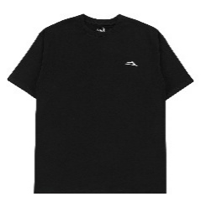 | FLARE SS TEE | BLACK | ATEES25Q2-002-BLACK | 24 |  |  |  |  |  | 0 | ¥6,119.00 | ¥-
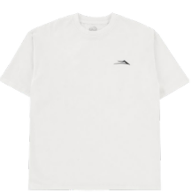 | FLARE SS TEE | WHITE | ATEES25Q2-002-WHITE | 24 |  |  |  |  |  | 0 | ¥6,119.00 | ¥-
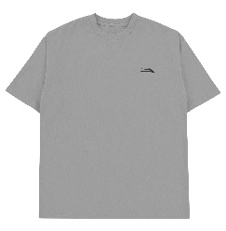 | FLARE SS TEE | ASH GREY | ATEES25Q2-002-ASGRY | 24 |  |  |  |  |  | 0 | ¥6,119.00 | ¥-
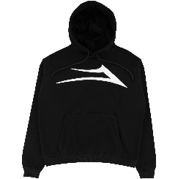 | FLARE PULLOVER HOODIE | BLACK | AHOOD25Q2-001-BLACK | 24 |  |  |  |  |  | 0 | ¥12,240.00 | ¥-
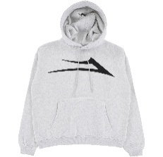 | FLARE PULLOVER HOODIE | HEATHER GREY | AHOOD25Q2-001-HTGRY | 24 |  |  |  |  |  | 0 | ¥12,240.00 | ¥-
13195
Q2-26 | Style | Color | SKU | Catalog Page | 8 | 8.25 | 8.35 |  |  | Units | MSRP | Total
 | LAKAI X AURA ANGEL DECK | BLACK | ADECK25Q4-001-BLACK | 17 |  |  |  |  |  | 0 | ¥11,475.00 | ¥-

