COVER - ORDER
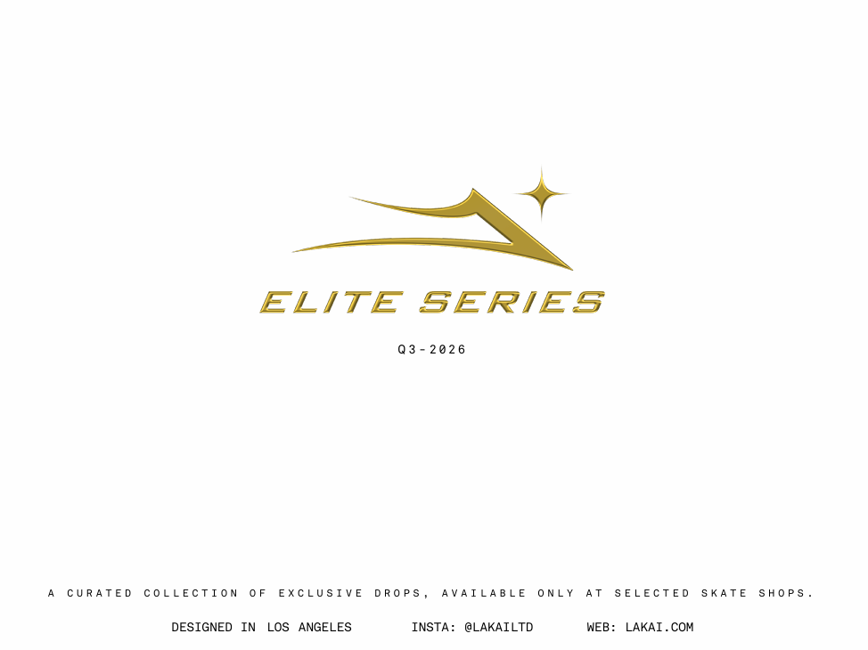
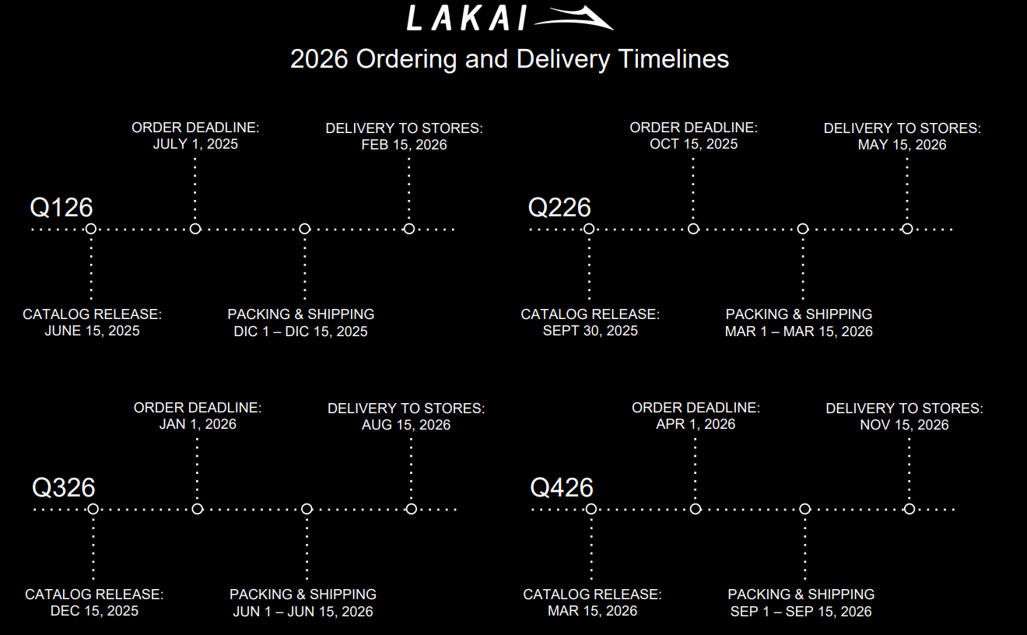

LAKAI - ORDER
CONCEPT | UNITS | AMOUNT
ADULT SHOES | 0 | #REF!
APPAREL | 0 | ¥-
ACCESORIES | 0 | ¥-
TOTAL | 0 | #REF!

SHOES
LAKAI
LAKAI | CATEGORY | SEASON | STYLE | COLOR | SKU | CATALOG PAGE | 5 | 5.5 | 6 | 6.5 | 7 | 7.5 | 8 | 8.5 | 9 | 9.5 | 10 | 10.5 | 11 | 11.5 | 12 | 13 | 14 | UNITS | MSRP
 | SEASONAL SHOES | Q3-2026 | CAMBRIDGE ELITE | HEDGE GREEN BLACK WHITE | FECAM26Q3-001-HGBLW | 3 |  |  |  |  |  |  |  |  |  |  |  |  |  |  |  |  |  | 0 | ¥12,000
 | SEASONAL SHOES | Q3-2026 | CAMBRIDGE ELITE | ROSE WHITE BLACK GUM | FECAM26Q3-001-RWHBG | 3 |  |  |  |  |  |  |  |  |  |  |  |  |  |  |  |  |  | 0 | ¥12,000
 | SEASONAL SHOES | Q3-2026 | MANCHESTER ELITE | WHITE NUBUCK JADE | FEMAN26Q3-001-WNUBJ | 5 |  |  |  |  |  |  |  |  |  |  |  |  |  |  |  |  |  | 0 | ¥12,000
 | SEASONAL SHOES | Q3-2026 | PARQUET HI ELITE | BLACK SUEDE WHITE CONTRAST STITCH | FPARH26Q3-001-BSWCS | 6 |  |  |  |  |  |  |  |  |  |  |  |  |  |  |  |  |  | 0 | ¥12,000
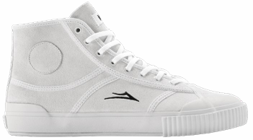 | SEASONAL SHOES | Q3-2026 | PARQUET HI ELITE | WHITE SUEDE | FPARH26Q3-001-WHTES | 6 |  |  |  |  |  |  |  |  |  |  |  |  |  |  |  |  |  | 0 | ¥12,000
 | SEASONAL SHOES | Q3-2026 | PARQUET ELITE | BLACK SUEDE WHITE CONTRAST STITCH | FPARQ26Q3-001-BSWCS | 7 |  |  |  |  |  |  |  |  |  |  |  |  |  |  |  |  |  | 0 | ¥12,000
 | SEASONAL SHOES | Q3-2026 | PARQUET ELITE | WHITE SUEDE | FPARQ26Q3-001-WHTES | 7 |  |  |  |  |  |  |  |  |  |  |  |  |  |  |  |  |  | 0 | ¥12,000

APPAREL
LAKAI
LAKAI | CATEGORY | SEASON | STYLE | COLOR | SKU | CATALOG PAGE | S | M | L | XL | XXL | O/S | UNITS | PRICE | MSRP | TOTAL
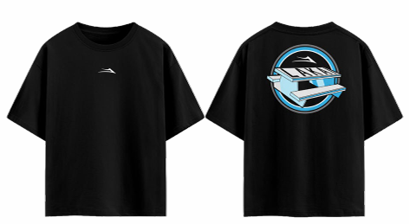 | T-SHIRT | Q3-2026 | PICNIC TABLE TEE | BLACK | ATEES26Q3-001-BLACK | 8 |  |  |  |  |  |  | 0 | ¥2,408.00 | ¥5,438.00 | ¥-
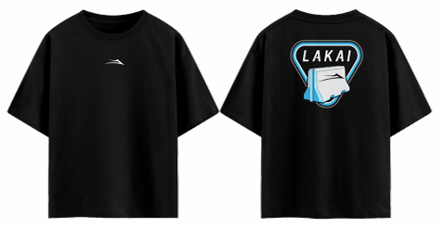 | T-SHIRT | Q3-2026 | BARRIER TEE | BLACK | ATEES26Q3-002-BLACK | 8 |  |  |  |  |  |  | 0 | ¥2,408.00 | ¥5,438.00 | ¥-
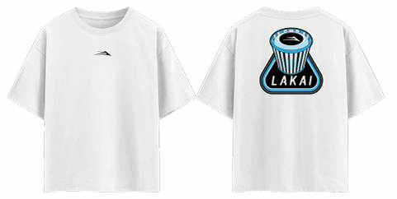 | T-SHIRT | Q3-2026 | TRASH BIN TEE | WHITE | ATEES26Q3-003-WHITE | 8 |  |  |  |  |  |  | 0 | ¥2,408.00 | ¥5,438.00 | ¥-
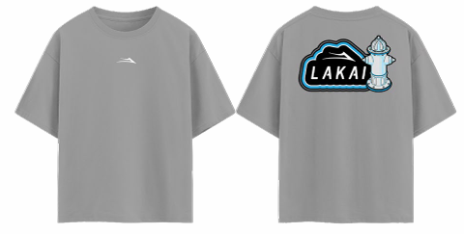 | T-SHIRT | Q3-2026 | FIRE HYDRANT TEE | GREY | ATEES26Q3-004-GREY | 8 |  |  |  |  |  |  | 0 | ¥2,408.00 | ¥5,438.00 | ¥-
 | HOODIE | Q3-2026 | THE MODULES WE SKATE PULLOVER HOODIE | BLACK | AHOOD26Q3-001-BLACK | 9 |  |  |  |  |  |  | 0 | ¥5,670.00 | ¥12,500.00 | ¥-
 | ACCESORIES | Q3-2026 | TRASH BIN CAP | BLACK | ACAPS26Q3-001-BLACK | 9 |  |  |  |  |  |  | 0 | ¥2,408.00 | ¥5,438.00 | ¥-
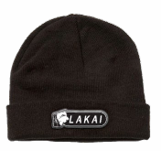 | ACCESORIES | Q3-2026 | BARRIER BEANIE | BROWN | ABEAN26Q3-002-BROWN | 9 |  |  |  |  |  |  | 0 | ¥2,408.00 | ¥5,438.00 | ¥-
 | ACCESORIES | Q3-2026 | PICNIC TABLE SOCKS | WHITE | ASOCK26Q3-002-WHITE | 9 |  |  |  |  |  |  | 0 | ¥2,408.00 | ¥5,438.00 | ¥-

