COVER - ORDER
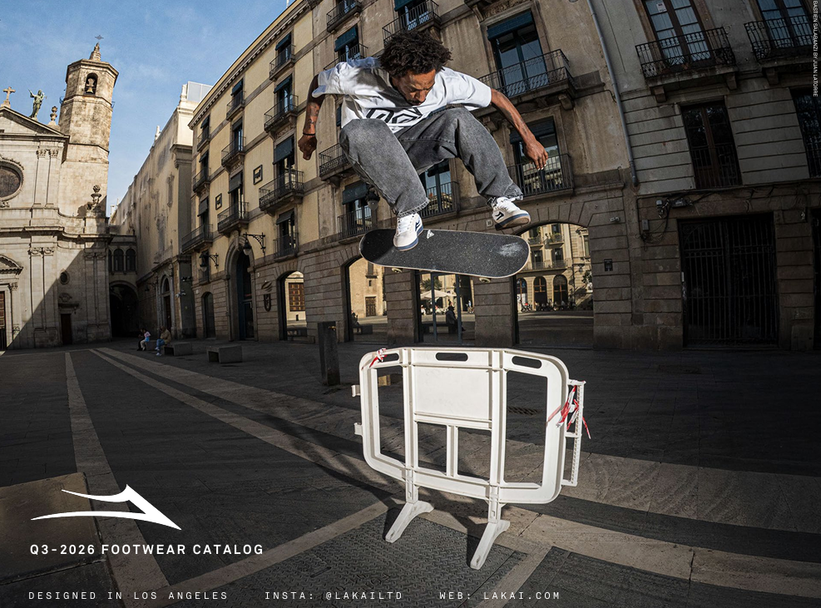

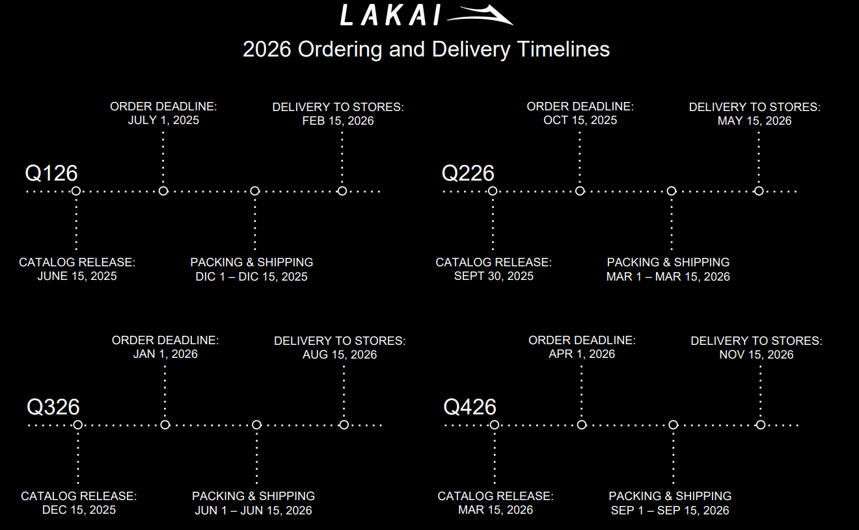

LAKAI - ORDER
CONCEPT | UNITS | AMOUNT
ADULT SHOES | 0 | #REF!
KIDS SHOES | 0 | #REF!
APPAREL | 0 | ¥-
TOTAL | 0 | #REF!

APPAREL
LAKAI
LAKAI | CATEGORY | SEASON | STYLE | COLOR | SKU | CATALOG PAGE | S | M | L | XL | XXL | UNITS | PRICE | MSRP | TOTAL
 | HOODIE | Q3-2026 | LOGO PULLOVER HOODIE | BLACK | AHOOD25Q2-002-BLACK | 27 |  |  |  |  |  | 0 | ¥5,670.00 | ¥12,500.00 | ¥-
 | HOODIE | Q3-2026 | LOGO PULLOVER HOODIE | HEATHER GREY | AHOOD25Q2-002-HTGRY | 27 |  |  |  |  |  | 0 | ¥5,670.00 | ¥12,500.00 | ¥-
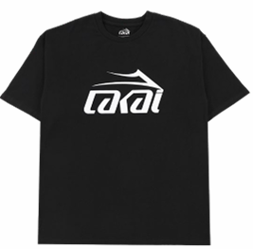 | T-SHIRT | Q3-2026 | LOGO SS TEE | BLACK | ATEES25Q2-001-BLACK | 27 |  |  |  |  |  | 0 | ¥2,408.00 | ¥5,438.00 | ¥-
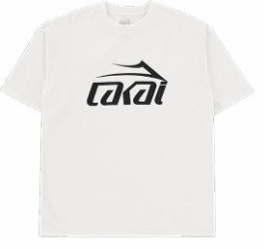 | T-SHIRT | Q3-2026 | LOGO SS TEE | WHITE | ATEES25Q2-001-WHITE | 27 |  |  |  |  |  | 0 | ¥2,408.00 | ¥5,438.00 | ¥-
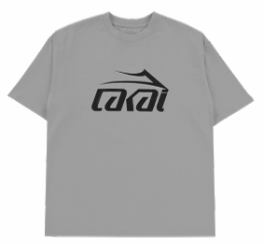 | T-SHIRT | Q3-2026 | LOGO SS TEE | ASH GREY | ATEES25Q2-001-ASGRY | 27 |  |  |  |  |  | 0 | ¥2,408.00 | ¥5,438.00 | ¥-
 | HOODIE | Q3-2026 | FLARE PULLOVER HOODIE | BLACK | AHOOD25Q2-001-BLACK | 28 |  |  |  |  |  | 0 | ¥5,670.00 | ¥12,500.00 | ¥-
 | HOODIE | Q3-2026 | FLARE PULLOVER HOODIE | HEATHER GREY | AHOOD25Q2-001-HTGRY | 28 |  |  |  |  |  | 0 | ¥5,670.00 | ¥12,500.00 | ¥-
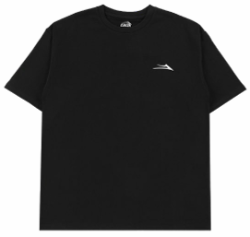 | T-SHIRT | Q3-2026 | FLARE SS TEE | BLACK | ATEES25Q2-002-BLACK | 28 |  |  |  |  |  | 0 | ¥2,408.00 | ¥5,438.00 | ¥-
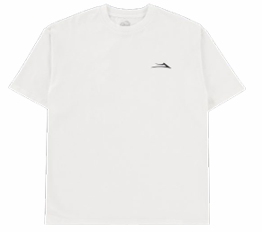 | T-SHIRT | Q3-2026 | FLARE SS TEE | WHITE | ATEES25Q2-002-WHITE | 28 |  |  |  |  |  | 0 | ¥2,408.00 | ¥5,438.00 | ¥-
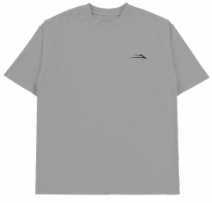 | T-SHIRT | Q3-2026 | FLARE SS TEE | ASH GREY | ATEES25Q2-002-ASGRY | 28 |  |  |  |  |  | 0 | ¥2,408.00 | ¥5,438.00 | ¥-

xº

