🌶️ Pepper - Summer
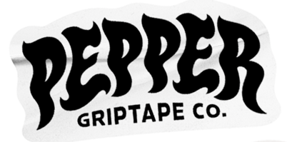
 |  |  |  |  |  | Total
 |  |  |  |  |  | Prebook Discount

 | G5 | SKU | Style | 上代 | Qty |  | TOTAL
 |  | PHBK9 | Pepper G5 Black 9" Premium Grip - Sheet | ¥1,400
 |  | PHBK105 | Pepper G5 Black 10.5" Premium Grip Sheet | ¥1,500
 |  | PHTKPM | Pepper G5 Black Portal 9" Grip - Sheet | ¥2,000
 |  | PHPLC9 | Pepper G5 Black Logo Center 9" Grip - Sheet | ¥1,800
 |  | PHBK9R | Pepper G5 Black 9" Premium Grip Roll | ¥25,000
 |  | PHBKR-105 | Pepper G5 Black 10.5" Premium Grip Roll | ¥27,000
 |  | PHBKR-12 | Pepper G5 Black 12" Premium Grip Roll | ¥30,000
 | G5 GALAXY | SKU | Style | 上代 | Qty |  | TOTAL
 |  | PHGL9 | Pepper G5 Galaxy 9" Premium Grip Sheet | ¥1,500
 |  | PHBG9R | Pepper G5 Galaxy 9" Premium Grip Roll | ¥2,600
 | XG | SKU | Style | 上代 | Qty |  | TOTAL
 |  | PHXG | Pepper XG Black 9" Premium Grip Sheet | ¥1,500
 |  | PHXGR | Pepper XG Black 9" Premium Grip Roll | ¥26,000
 | SALT (CLEAR GRIP) | SKU | Style | 上代 | Qty |  | TOTAL
 |  | PHCL105 | Pepper Salt 10.5" Premium Clear Grip Sheet | ¥1,400
 | OTHER | SKU | Style | 上代 | Qty |  | TOTAL
 |  | PGLAN6 | Pepper Alphanumeric Custom Grip Kit | ¥3,900
 |  | PGRPGUMJ | Pepper Grip Gum | ¥1,600
 |  | PAPRTL | Pepper Flashlight | ¥2,300

 |  |  |  |  | Total |  | 0

