Order Form Output
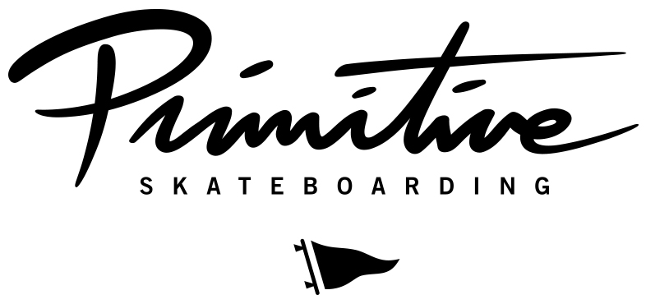 [ BRAND LOGO GOES HERE ]

SHOP名
住所

担当者 |  | メール
 |  | TEL
備考

オーダー締め切り:2/18（水）
デリバリー：26年5月末～

 |  |  | A | XS | S | M | L | XL | XXL | XXXL
 |  |  | D | OSFA
Style | Description | Color | E | 7.875 | 8 | 8.1 | 8.125 | 8.25 | 8.38 | 8.5 | Price | Units | Extension
OSPR26OK1 | AQUEMINI TEE | WHITE | A |  |  |  |  |  |  |  | ¥7,500 | 0 | ¥0
OSPR26OK2 | AQUEMINI TEE | BLACK | A |  |  |  |  |  |  |  | ¥7,500 | 0 | ¥0
OSPR26OK3 | AQUEMINI TEE | BROWN | A |  |  |  |  |  |  |  | ¥7,500 | 0 | ¥0
OSPR26OK4 | IGNITE TEE | WHITE | A |  |  |  |  |  |  |  | ¥7,500 | 0 | ¥0
OSPR26OK5 | IGNITE TEE | BLACK | A |  |  |  |  |  |  |  | ¥7,500 | 0 | ¥0
OSPR26OK6 | ATLIENS HW TEE | WHITE | A |  |  |  |  |  |  |  | ¥8,500 | 0 | ¥0
OSPR26OK7 | ATLIENS HW TEE | WHITE | A |  |  |  |  |  |  |  | ¥8,500 | 0 | ¥0
OSPR26OK8 | PLAYERS HW TEE | BLACK | A |  |  |  |  |  |  |  | ¥8,500 | 0 | ¥0
OSPR26OK9 | ICE COLD HW TEE | BLACK | A |  |  |  |  |  |  |  | ¥8,500 | 0 | ¥0
OSPR26OK10 | IGNITE L/S TEE | BLACK | A |  |  |  |  |  |  |  | ¥8,500 | 0 | ¥0
OSPR26OK11 | IGNITE L/S TEE | WHITE | A |  |  |  |  |  |  |  | ¥8,500 | 0 | ¥0
FLEECE
OSPR26OK12 | AQUEMINI HOOD | BLACK | A |  |  |  |  |  |  |  | ¥16,000 | 0 | ¥0
OSPR26OK13 | AQUEMINI HOOD | BURGUNDY | A |  |  |  |  |  |  |  | ¥16,000 | 0 | ¥0
OSPR26OK14 | ATLIENS HOOD | ATHLETIC HEATHER | A |  |  |  |  |  |  |  | ¥16,000 | 0 | ¥0
OSPR26OK15 | ATLIENS HOOD | BLACK | A |  |  |  |  |  |  |  | ¥16,000 | 0 | ¥0
OSPR26OK16 | ICE COLD HW HOOD | BLACK | A |  |  |  |  |  |  |  | ¥16,000 | 0 | ¥0
HEADWEAR
OSPR26OK17 | ATLIENS A-FRAME SNAPBACK | BLACK | D |  |  |  |  |  |  |  | ¥7,200 | 0 | ¥0
DECKS
OSPR26OK18D | AQUEMINI TEAM DECK | GOLD | E |  |  |  |  |  |  |  | ¥15,000 | 0 | ¥0
OSPR26OK19D | ATLIENS TEAM DECK | BLACK | E |  |  |  |  |  |  |  | ¥15,000 | 0 | ¥0

